CV
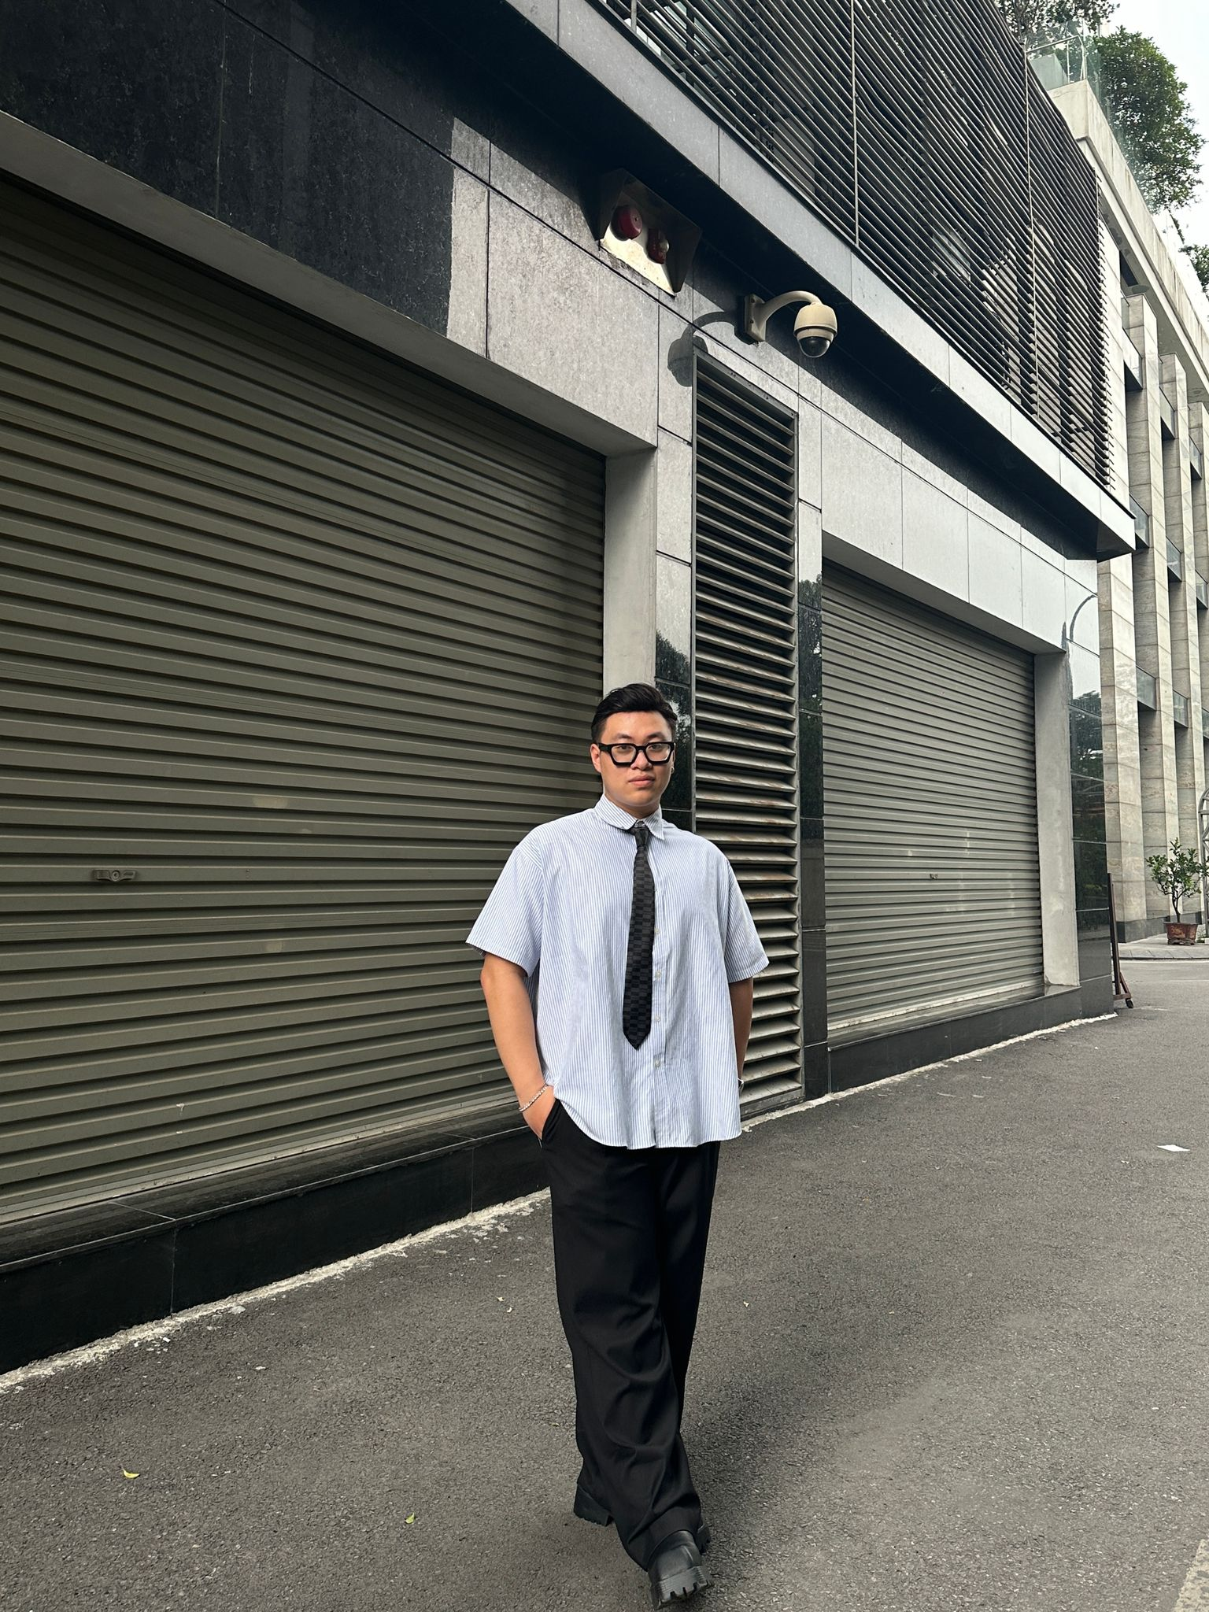
 |  | CURRICULUM VITAE
 | PERSONAL DETAIL
 | Name | Nguyen Phi Hai Nam
 | Nationality | Vietnamese
 | DOB | 06/04/2001
 | Sex | Male
 | Seniority | 3+ years

 | ABOUT
 | + 2+ years of experience in Website Testing - Mobile Testing + Know how to use SQL in testing + Supporting units to use the software after being deployed + Estimation Task, Create Test Case, Execute Test Case, Receive issue, Raise issue to PM + Log bug and job management on Redmine

 | EDUCATIONAL BACKGROUND
 | 2021 ~ now |  | Hanoi University Major: English Linguistics and Literature

 | LANGUAGE
 | Vietnamese |  | Native
 | English |  | C1 Advance
 | German |  | Deutsche Zertifikat B1

 | TECHNICAL SKILL
 | Domain |  | Web App Testing, Application Testing, Desktop App
 | Monitoring tool |  | Redmine / Backlog
 | Automation/Orchestration tool |  | Postman / Katalon Studio / Test Cafe
 | Database |  | SQL Server, My SQL, PostgreSQL, DBeaver

 | EXPERIENCE
 | EXV_Installation_Checksheet(6/2024 - now)
 | Customer |  | EDION X Ventures Corporation
 | Description |  | Developed screens for a web application used on handheld devices to support the operations of staff in EDION stores.
 | Team Size |  | 7-10
 | My Position |  | Tester
 | My Responsibilites |  | ・Analyze and examine the functional flow of the business and the functionality of the software products delivered to Onsite/customer ・Estimation Task, Create manual Test Case, Automation Test Script, Screen Design, Review Testcase ・Execute, log bug, monitor and tracking issue on Redmine, Raise issue to PM ・Report on progress and quality to PM
 | Technologies Used |  | - Backlog - Oracle SQL - Katalon - Postman

 | FCCL (8/2023 - now)
 | Customer |  | Japanese Customer
 | Description |  | Monitoring system for Japanese Customer
 | Team Size |  | 10
 | My Position |  | Operator
 | My Responsibilites |  | ・Analyze and examine the functional flow of the business and the functionality of the software products delivered to Onsite/customer ・Estimation Task, Create Test Report, Review Testcase ・Execute, log bug, monitor and tracking issue on Redmine, Raise issue to PM ・Report on progress and quality to PM
 | Technologies Used |  | - Redmine, MS Office, MS SQL

 | MamiMart (01/2023 ~ 5/2023)
 | Customer |  | MamiMart
 | Description |  | - Employee Portal: A project designed to manage functions related to human resources at MamiMart, including: + Timekeeping management + Leave management + Managing cases of managers arriving late and leaving early + Contract management + Salary management - Hoshitori: A product management system in stores linked to data from the Tanawari system on S3, with the output in a CSV file format (used for AI identification and processing).
 | Team Size |  | 11
 | My Position |  | Tester
 | My Responsibilites |  | - Test Planning: Create a test plan that outlines the scope, objectives, and approach for testing. - Test Case Design: Create detailed test cases that cover various scenarios and functionalities of the web app. - Test Execution: Execute the test cases on the web app to identify and report any defects or issues. - Defect Reporting and Regression Testing - Execute test on AWS (Lambda、RDS、S3…） - Daily report
 | Technologies Used |  | PowerApp, AWS

 | 725 Inspection Report (11/2022 ~ 3/2023)
 | Customer |  | Japanese Customer
 | Description |  | - This is a Report Management project that enables businesses to submit reports through the system.
 | Team Size |  | 5
 | My Position |  | Tester
 | My Responsibilites |  | ・Analyze and examine the functional flow of the business and the functionality of the software products delivered to Onsite/customer ・Estimation Task, Create Test Report, Review Testcase ・Execute, log bug, monitor and tracking issue on Redmine, Raise issue to PM ・Report on progress and quality to PM
 | Technologies Used |  | HTML, Javascript (Vue JS), CSS, PHP, Postgre

 | OBYS-Face Recognition
 | Customer |  | Japanese Customer
 | Description |  | "- Web App: + Managing driving license types + Managing worker information + Managing the face recognition setup + Synchronizing Kit Application data when there is a change in information on the management website - KIT SET: + Performing registration and facial recognition + Synchronizing data with the Web App, updating via USB or Wi-Fi"
 | Team Size |  | 5
 | My Position |  | Tester
 | My Responsibilites |  | ・Analyze and examine the functional flow of the business and the functionality of the software products delivered to Onsite/customer ・Estimation Task, Create Test Report, Review Testcase ・Execute, log bug, monitor and tracking issue on Redmine, Raise issue to PM ・Report on progress and quality to PM
 | Technologies Used |  | Java, C++, Javascript/HTML/CSS, Python, Spring Boot, VueJS, Tinker board, Camera M20

 | NHD Power Platform Development (yyyy - yyyy)
 | Customer |  | Japanese Customer
 | Description |  | - Carrying out warranty and maintenance of NHD projects developed in the period from March 2021 to January 2022.
 | Team Size |  | 2
 | My Position |  | Tester
 | My Responsibilites |  | ・Analyze and examine the functional flow of the business and the functionality of the software products delivered to Onsite/customer ・Estimation Task, Create Test Report, Review Testcase ・Execute, log bug, monitor and tracking issue on Redmine, Raise issue to PM ・Report on progress and quality to PM
 | Technologies Used |  | - Java, Spring Boot, Windows 10 - PostgreSQL + MongoDB

 | 725 Drone Management (6/2021 - 12/2021)
 | Customer |  | Seventofive
 | Description |  | Web system: - Managing Drone devices - Managing drone rental businesses - Allowing businesses that rent drones to manage projects using drones and the data collected from drones (photos, videos, and location)"
 | Team Size |  | 18
 | My Position |  | Tester
 | My Responsibilites |  | ・Research and analyze the business system. ・Create Testcase, Test report. ・Execute Test, Monitor and tracking issue/bug on Redmine. ・Make daily report on progress and quality to PM. ・Create user manuals and knowhow documents for the project.
 | Technologies Used |  | Backend: Java Spring Boot Frontend: HTML, CSS, JS(VueJS) Database: Postgre OS: Centos 7 Python: 3.x

 | NHD_Power_Platform_Development (03/2021 ~ 01/2022)
 | Customer |  | Nihon Denryoku Inc.
 | Description |  | - The system automatically collects information on electricity consumption from three different types of electricity meters in various buildings. - It manages information related to buildings, users, and electricity bills.
 | Team Size |  | 20
 | My Position |  | Tester
 | My Responsibilites |  | - Test Case Design: Create detailed test cases that cover various scenarios and functionalities of the web app. - Test Execution: Execute the test cases on the web app to identify and report any defects or issues. - Defect Reporting and Regression Testing - Create a Software Requirements Specification document.
 | Technologies Used |  | - Java, Spring Boot, Windows 10 - PostgreSQL + MongoDB

 | I declare that the above information is accurate.

